Sheet1
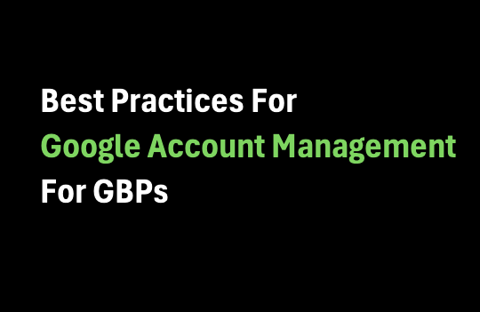

Best Practices For
Google Account Management
For GBPs

For these sketchy GBPs that we buy from vendors, should we keep them in our main personal Google account?

Should we keep them in a different account under our personal name?

A different account under family member's name? or a fake name?

Once Google decides to ban 1 of our GBPs, will it just ban all of them?

Let's discuss the implications.

